Picture
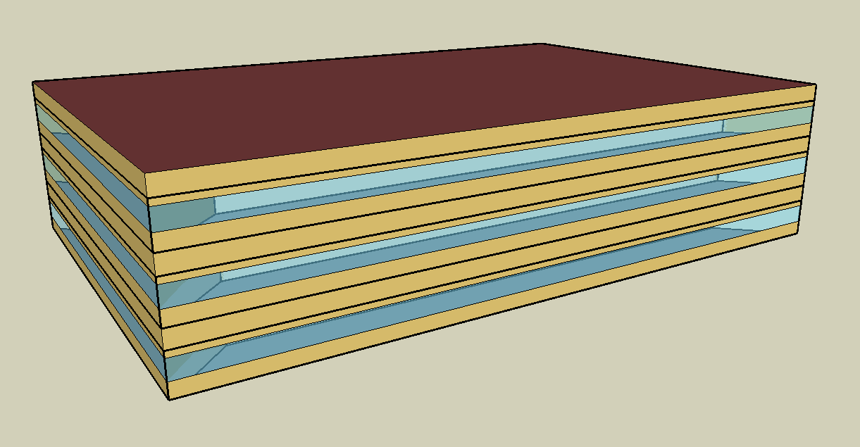
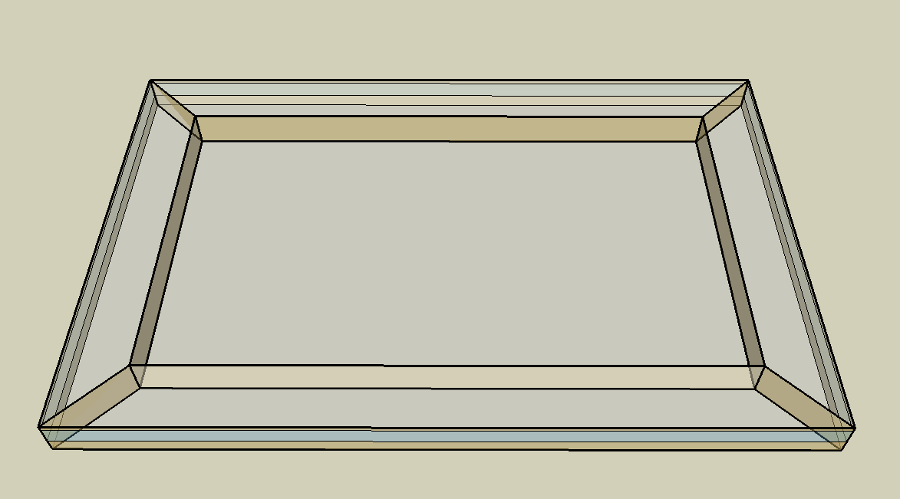
DOE Commercial Building Benchmark - Medium Office

Electricity
 | Cooling | Interior Lighting | Exterior Lighting | Interior Equipment | Fans | Pumps
Miami | 166,227.78 | 153,491.67 | 11,933.33 | 223,900.00 | 29,744.44 | 86.11
Houston | 136,855.56 | 153,491.67 | 11,911.11 | 223,900.00 | 29,505.56 | 244.44
Phoenix | 119,952.78 | 153,491.67 | 11,908.33 | 223,900.00 | 34,886.11 | 213.89
Atlanta | 97,891.67 | 153,491.67 | 11,927.78 | 223,900.00 | 28,569.44 | 313.89
Los Angeles | 59,872.22 | 153,491.67 | 11,925.00 | 223,900.00 | 24,150.00 | 150.00
Las Vegas | 88,591.67 | 153,491.67 | 11,913.89 | 223,900.00 | 33,197.22 | 227.78
San Francisco | 26,516.67 | 153,491.67 | 11,902.78 | 223,900.00 | 22,875.00 | 333.33
Baltimore | 96,450.00 | 153,491.67 | 11,913.89 | 223,900.00 | 31,597.22 | 475.00
Albuquerque | 66,758.33 | 153,491.67 | 11,911.11 | 223,900.00 | 34,061.11 | 338.89
Seattle | 25,466.67 | 153,491.67 | 11,894.44 | 223,900.00 | 27,141.67 | 450.00
Chicago | 62,022.22 | 153,491.67 | 11,897.22 | 223,900.00 | 31,469.44 | 622.22
Boulder | 49,386.11 | 153,491.67 | 11,900.00 | 223,900.00 | 31,586.11 | 494.44
Minneapolis | 55,852.78 | 153,491.67 | 11,908.33 | 223,900.00 | 32,794.44 | 886.11
Helena | 37,452.78 | 153,491.67 | 11,891.67 | 223,900.00 | 30,702.78 | 766.67
Duluth | 33,255.56 | 153,491.67 | 11,888.89 | 223,900.00 | 33,169.44 | 1,061.11
Fairbanks | 26,941.67 | 153,491.67 | 11,819.44 | 223,900.00 | 34,022.22 | 1,888.89

Gas
 | Heating | Water Systems
Miami | 42,150.00 | 27,750.00
Houston | 432,530.00 | 31,690.00
Phoenix | 411,760.00 | 29,420.00
Atlanta | 604,070.00 | 35,500.00
Los Angeles | 229,910.00 | 34,770.00
Las Vegas | 431,980.00 | 32,150.00
San Francisco | 651,310.00 | 38,020.00
Baltimore | 967,620.00 | 38,480.00
Albuquerque | 654,580.00 | 37,920.00
Seattle | 961,770.00 | 40,050.00
Chicago | 1,223,800.00 | 41,110.00
Boulder | 909,560.00 | 40,980.00
Minneapolis | 1,575,020.00 | 43,380.00
Helena | 1,365,750.00 | 43,790.00
Duluth | 1,833,440.00 | 47,120.00
Fairbanks | 2,979,390.00 | 51,640.00

EUI
 | Cooling (elec) | Interior Lighting (elec) | Exterior Lighting (elec) | Interior Equipment (elec) | Fans (elec) | Pumps (elec) | Heating (gas) | Water Systems (gas)
Miami | 120.11 | 110.91 | 8.62 | 161.78 | 21.49 | 0.06 | 8.46 | 5.57
Houston | 98.89 | 110.91 | 8.61 | 161.78 | 21.32 | 0.18 | 86.82 | 6.36
Phoenix | 86.67 | 110.91 | 8.60 | 161.78 | 25.21 | 0.15 | 82.65 | 5.91
Atlanta | 70.73 | 110.91 | 8.62 | 161.78 | 20.64 | 0.23 | 121.25 | 7.13
Los Angeles | 43.26 | 110.91 | 8.62 | 161.78 | 17.45 | 0.11 | 46.15 | 6.98
Las Vegas | 64.01 | 110.91 | 8.61 | 161.78 | 23.99 | 0.16 | 86.70 | 6.45
San Francisco | 19.16 | 110.91 | 8.60 | 161.78 | 16.53 | 0.24 | 130.73 | 7.63
Baltimore | 69.69 | 110.91 | 8.61 | 161.78 | 22.83 | 0.34 | 194.22 | 7.72
Albuquerque | 48.24 | 110.91 | 8.61 | 161.78 | 24.61 | 0.24 | 131.38 | 7.61
Seattle | 18.40 | 110.91 | 8.59 | 161.78 | 19.61 | 0.33 | 193.04 | 8.04
Chicago | 44.82 | 110.91 | 8.60 | 161.78 | 22.74 | 0.45 | 245.63 | 8.25
Boulder | 35.69 | 110.91 | 8.60 | 161.78 | 22.82 | 0.36 | 182.56 | 8.23
Minneapolis | 40.36 | 110.91 | 8.60 | 161.78 | 23.70 | 0.64 | 316.13 | 8.71
Helena | 27.06 | 110.91 | 8.59 | 161.78 | 22.19 | 0.55 | 274.13 | 8.79
Duluth | 24.03 | 110.91 | 8.59 | 161.78 | 23.97 | 0.77 | 368.00 | 9.46
Fairbanks | 19.47 | 110.91 | 8.54 | 161.78 | 24.58 | 1.36 | 598.01 | 10.36

Water
 | Total Building | Water for Electricity (m3)
Miami | 174.77 | 310.11
Houston | 174.77 | 904.52
Phoenix | 174.77 | 16,169.60
Atlanta | 174.77 | 3,222.30
Los Angeles | 174.77 | 8,313.41
Las Vegas | 174.77 | 14,027.60
San Francisco | 174.77 | 7,708.18
Baltimore | 174.77 | 117.57
Albuquerque | 174.77 | 2,227.09
Seattle | 174.77 | 4,519.33
Chicago | 174.77 | 749.97
Boulder | 174.77 | 2,137.61
Minneapolis | 174.77 | 742.88
Helena | 174.77 | 29,024.50
Duluth | 174.77 | 708.64
Fairbanks | 174.77 | 461.86

Carbon
 | Carbon Equivalent (kg)
Miami | 161,801.75
Houston | 193,799.67
Phoenix | 172,281.96
Atlanta | 170,509.75
Los Angeles | 60,107.55
Las Vegas | 180,825.36
San Francisco | 63,736.81
Baltimore | 157,880.70
Albuquerque | 212,840.25
Seattle | 50,283.17
Chicago | 280,534.94
Boulder | 209,443.63
Minneapolis | 193,084.68
Helena | 192,862.75
Duluth | 190,258.61
Fairbanks | 181,861.92

LghtSch
Lighting Schedules
 | WD | SummerDesign | Sat | Sun, Hol, Other
 | 0.05 | 1 | 0.05 | 0.05
 | 0.05 | 1 | 0.05 | 0.05
 | 0.05 | 1 | 0.05 | 0.05
 | 0.05 | 1 | 0.05 | 0.05
 | 0.05 | 1 | 0.05 | 0.05
 | 0.1 | 1 | 0.05 | 0.05
 | 0.1 | 1 | 0.1 | 0.05
 | 0.3 | 1 | 0.1 | 0.05
 | 0.9 | 1 | 0.3 | 0.05
 | 0.9 | 1 | 0.3 | 0.05
 | 0.9 | 1 | 0.3 | 0.05
 | 0.9 | 1 | 0.3 | 0.05
 | 0.9 | 1 | 0.15 | 0.05
 | 0.9 | 1 | 0.15 | 0.05
 | 0.9 | 1 | 0.15 | 0.05
 | 0.9 | 1 | 0.15 | 0.05
 | 0.9 | 1 | 0.15 | 0.05
 | 0.5 | 1 | 0.05 | 0.05
 | 0.3 | 1 | 0.05 | 0.05
 | 0.3 | 1 | 0.05 | 0.05
 | 0.2 | 1 | 0.05 | 0.05
 | 0.2 | 1 | 0.05 | 0.05
 | 0.1 | 1 | 0.05 | 0.05
 | 0.05 | 1 | 0.05 | 0.05

EqpSch
Euipment Schedules
 | WD | SummerDesign | Sat | Sun, Hol, Other
 | 0 | 0 | 0 | 0
 | 0 | 0 | 0 | 0
 | 0 | 0 | 0 | 0
 | 0 | 0 | 0 | 0
 | 0 | 0 | 0 | 0
 | 0 | 0 | 0 | 0
 | 0.1 | 1 | 0.1 | 0
 | 0.2 | 1 | 0.1 | 0
 | 0.95 | 1 | 0.3 | 0
 | 0.95 | 1 | 0.3 | 0
 | 0.95 | 1 | 0.3 | 0
 | 0.95 | 1 | 0.3 | 0
 | 0.5 | 1 | 0.1 | 0
 | 0.95 | 1 | 0.1 | 0
 | 0.95 | 1 | 0.1 | 0
 | 0.95 | 1 | 0.1 | 0
 | 0.95 | 1 | 0.1 | 0
 | 0.3 | 1 | 0 | 0
 | 0.1 | 1 | 0 | 0
 | 0.1 | 1 | 0 | 0
 | 0.05 | 1 | 0 | 0
 | 0.05 | 1 | 0 | 0
 | 0.05 | 0.05 | 0 | 0
 | 0.05 | 0.05 | 0 | 0

OccSch
Occupancy Schedules
 | WD | Sat | Sun, Hol, Other
 | 0 | 0 | 0
 | 0 | 0 | 0
 | 0 | 0 | 0
 | 0 | 0 | 0
 | 0 | 0 | 0
 | 0 | 0 | 0
 | 0.1 | 0.1 | 0
 | 0.2 | 0.1 | 0
 | 0.95 | 0.3 | 0
 | 0.95 | 0.3 | 0
 | 0.95 | 0.3 | 0
 | 0.95 | 0.3 | 0
 | 0.5 | 0.1 | 0
 | 0.95 | 0.1 | 0
 | 0.95 | 0.1 | 0
 | 0.95 | 0.1 | 0
 | 0.95 | 0.1 | 0
 | 0.3 | 0 | 0
 | 0.1 | 0 | 0
 | 0.1 | 0 | 0
 | 0.05 | 0 | 0
 | 0.05 | 0 | 0
 | 0.05 | 0 | 0
 | 0.05 | 0 | 0

HeatSch
Heating Set Point Schedules
 | SummerDesign | Sat | Sun, Hol, Other
 | 15.6 | 15.6 | 15.6
 | 15.6 | 15.6 | 15.6
 | 15.6 | 15.6 | 15.6
 | 15.6 | 15.6 | 15.6
 | 15.6 | 15.6 | 15.6
 | 15.6 | 15.6 | 15.6
 | 15.6 | 21 | 15.6
 | 15.6 | 21 | 15.6
 | 15.6 | 21 | 15.6
 | 15.6 | 21 | 15.6
 | 15.6 | 21 | 15.6
 | 15.6 | 21 | 15.6
 | 15.6 | 21 | 15.6
 | 15.6 | 21 | 15.6
 | 15.6 | 21 | 15.6
 | 15.6 | 21 | 15.6
 | 15.6 | 21 | 15.6
 | 15.6 | 15.6 | 15.6
 | 15.6 | 15.6 | 15.6
 | 15.6 | 15.6 | 15.6
 | 15.6 | 15.6 | 15.6
 | 15.6 | 15.6 | 15.6
 | 15.6 | 15.6 | 15.6
 | 15.6 | 15.6 | 15.6

CoolSch
Cooling Set Point Schedules
 | WD, SummerDesign | Sat | Sun, Hol, Other
 | 30 | 30 | 30
 | 30 | 30 | 30
 | 30 | 30 | 30
 | 30 | 30 | 30
 | 30 | 30 | 30
 | 30 | 30 | 30
 | 24 | 24 | 30
 | 24 | 24 | 30
 | 24 | 24 | 30
 | 24 | 24 | 30
 | 24 | 24 | 30
 | 24 | 24 | 30
 | 24 | 24 | 30
 | 24 | 24 | 30
 | 24 | 24 | 30
 | 24 | 24 | 30
 | 24 | 24 | 30
 | 24 | 24 | 30
 | 24 | 30 | 30
 | 24 | 30 | 30
 | 24 | 30 | 30
 | 24 | 30 | 30
 | 30 | 30 | 30
 | 30 | 30 | 30

